10010 Balance Sheet
For Reference Only
10010
PERFORMANCE METRICS ON BALANCE SHEET (PUBLIC AND PRIVATE COMPANIES)

No | Metric | Enterprise Level Formula | Level of Granularity | Period

CAPITAL
1a | Total LICAT Ratio | LICAT Return, Page 10.100, Line 1010010020 | Enterprise Level | End of Quarter
1b | Total LIMAT Ratio (Branches) | LICAT Return, Page 120.000, Line 12000010020 | Enterprise Level | End of Quarter
2a | Core LICAT ratio | LICAT Return, Page 10.100, Line 1010010010 | Enterprise Level | End of Quarter
2b | Core LIMAT Ratio (Branches) | LICAT Return, Page 120.000, Line 12000010010 | Enterprise Level | End of Quarter
BALANCE SHEET
3a | Surplus or Equity as a % of Total Assets - Stock Companies | LF1, Page 20004, Line 599, Col 1/Page 20002, Line 999, Col 1 | Enterprise Level | End of Quarter
3b | Surplus or Equity as a % of Total Assets - Mutual Companies | LF1, Page 20004, Line 499, Col 1/Page 20002, Line 999, Col 1 | Enterprise Level | End of Quarter
3c | Surplus or Equity as a % of Total Assets - Branches | LF1, Page 20004, Line 899, Col 1/Page 20002, Line 999, Col 1 | Enterprise Level | End of Quarter
4 | CSM as a % of Total Insurance Contract Liabilities | LF1: [Pages 20012, 20013, 20016, 20017, Line 799, Cols. 10, 14, 18]/Pages 20012,20013, 20016, 20017, Line 799, Col 29 | Split by Segment | End of Quarter
5 | Risk Adjustment as % of Total Insurance Contract Liabilities | Risk Adjustment [(LF1, Pages 20012, 20013, 20016, 20017, Line 799, Col 06 + Pages 20014, 20015, Line 799, Col 16, Pages 20018, 20019, Line 599, Col 16) + Net Risk Adj. on onerous PAA contracts]/Total Insurance Contract Liabilities (LF1, Pages 20014, 20015, Line 799, Pages 20018, 20019, Line 599, Col 19) | Split by Segment | End of Quarter
6 | Loss Component as % of Total Insurance Contract Liabilities | Loss Component (LF1, Pages 20014, 20015, Line 799, Col 06, Pages 20018, 20019, Line 599, Col 03)/Total Insurance Contract Liabilities (LF1, Pages 20014, 20015, Line 799, Pages 20018, 20019, Line 599, Col 19) | Split by Segment | End of Quarter
LIQUIDITY
7 | Liquid Assets as % Cashable Liabilities | LF3, Page 35080, Line 489/Line 889, Col 11 | Enterprise Level | Annual
CSM METRICS
8 | Change in CSM YTD Current Year compared to YTD Prior Year | [Ending CSM (LF1, Pages 20012, 20013, 20016, 20017, Line 799 less Line 099, Cols 10,14, 18)]/[Beginning CSM (LF1, Pages 20012, 20013, 20016, 20017, Line 799 less Line 099, Cols 40, 44, 48)] | Split by Segment | YTD
9 | Change in New Business CSM, YTD Current Year compared to YTD Prior Year | Change in New Business CSM (LF1, Pages 20012, 20013, 20016, 20017, Line 210, Cols 10, 14, 18)/(LF1, Pages 20012, 20013, 20016, 20017, Line 210, Cols 40, 44, 48) | Split by Segment | YTD
10 | CSM - Release to annual profit YTD compared to prior year | CSM recognized for service provided (LF1 Pages 20012, 20013, 20016, 20017, Line 110, Cols 10, 14, 18)/(LF1, Pages 20012, 20013, 20016, 20017, Line 110, Cols, 40, 44, 48) | Split by Segment | YTD
11 | CSM Runoff | As defined by IFRS 17 and included in the notes to financial statements, the amount of CSM expected to be recognized into earnings in future periods | As per financial statement disclosure | Annual
12 | Impact of Market Movement on CSM | Quarterly Change in CSM for VFA contract arising from changes in market movements | Split by Segment | YTD
INVESTMENTS
13 | Bonds by Rating | 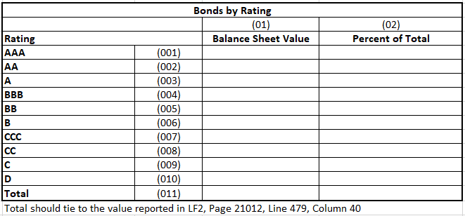 | Enterprise Level | End of Quarter
14 | Mortgages by Rating | 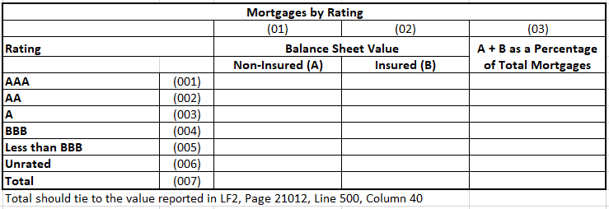 | Enterprise Level | End of Quarter
15 | Loans by Rating | 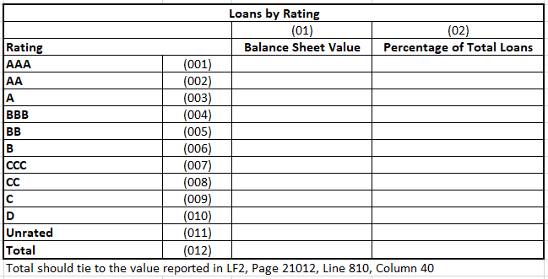 | Enterprise Level | End of Quarter
16 | Bond Provisions/Total Bonds (Amortized Cost + FVOCI) | LF2: Page 21020, Line 110, Col 60/ Page 21012, Line 479, Cols 16, 36 | Enterprise Level | End of Quarter
17 | Mortgage Provisions/Total Mortgages (Amortized Cost + FVOCI) | LF2: Page 21020, Line 210, Col 60/ Page 21012, Line 500, Cols 16, 36 | Enterprise Level | End of Quarter
18 | Loan Provisions/Total Loans (Amortized Cost + FVOCI) | LF2: Page 21020, Line 710, Col 60 (portion related to loans)/ Page 21012, Line 810, Cols 16, 36 | Enterprise Level | End of Quarter

POLICYHOLDER LIABILITY MOVEMENTS - EXPERIENCE GAINS/LOSSES AND ASSUMPTION CHANGES
19 | Non-Par Experience Gains/Losses | 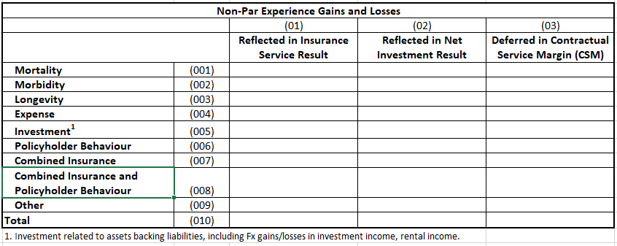 | Split by Segment | YTD
20 | Par Experience Gains/Losses |  | Split by Segment | YTD
21 | Non-par Assumptions Changes | 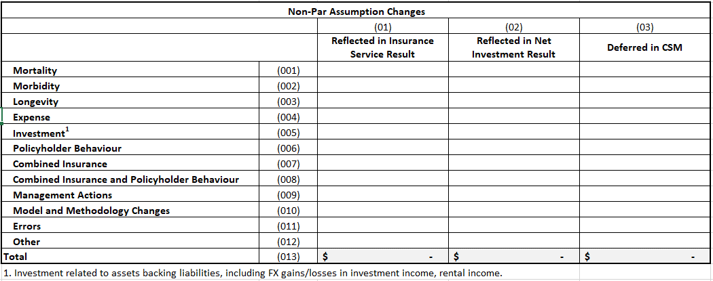 | Split by Segment | YTD
22 | Par Assumption Changes |  | Split by Segment | YTD

10020 Top Line Volume
For Reference Only
10020
PERFORMANCE METRICS ON TOP LINE VOLUME (PUBLIC AND PRIVATE COMPANIES)

No | Metric | Formula or Description of Metric (Enterprise Level) | Level of Granularity | Period

VOLUME
23 | Sales | Current YTD and Prior Year Comparable YTD Sales | Split by geography: Canada, US, Europe, Asia, Other and within each geography: Individual Life Non-Par Individual Life Par Individual Annuity (Excluding Segregated Funds) Segregated Funds (includes Transfers and Rollovers) Individual Health Individual Other Non-Par Individual Other Par Group Annuity Group Segregated Funds Group Life Group Health Group Other Non-Par Group Other Par Administrative Services Only (ASO) Other | YTD (Quarterly will be calculated)
24 | Gross Written Insurance Premiums | Current YTD and Prior Year Comparable YTD Gross Insurance Premiums | Split by Geography - Canada, US, Europe, Asia, Other and within each geography: Individual Life - Non-Par Individual Life - Par Individual Health Individual Accident & Sickness Group Life Group Health Property & Casualty Reinsurance | YTD (Quarterly will be calculated)
25 | Segregated Fund Roll Forward |  | By segment and Group and Individual within Segment | YTD (Quarterly will be calculated)
26 | Gross Flows Assets Under Management |  | By Segment | YTD (Quarterly will be calculated)
27 | Gross Flows Assets Under Administration | 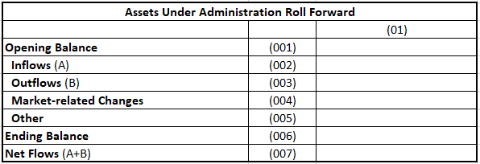 | By Segment | YTD (Quarterly will be calculated)

